Problem
Activity | Option | Duration | amt of equipment deeded per day | total cost | Basic Cost per day | $100.00
A | 1 | 0 | 0 | $0.00
B | 1 | 2 | 1 | $135.00
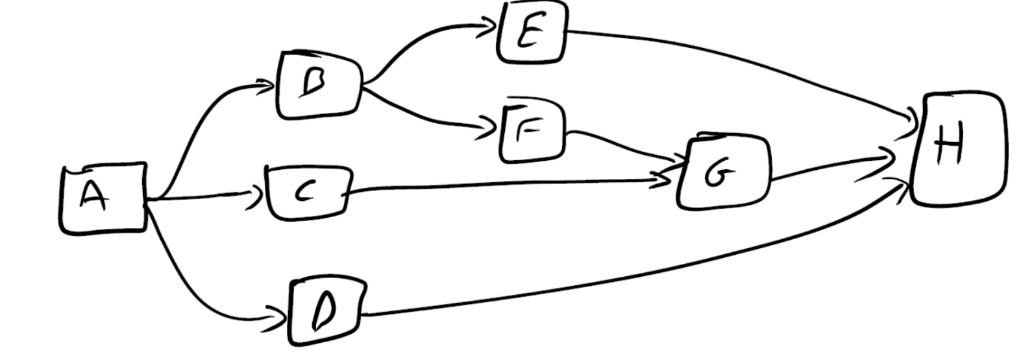
 | 2 | 3 | 0 | $65.00
C | 1 | 1 | 1 | $160.00
 | 2 | 3 | 0 | $90.00
D | 1 | 3 | 1 | $170.00
 | 2 | 4 | 0 | $100.00
E | 1 | 5 | 1 | $155.00
 | 2 | 7 | 0 | $85.00
F | 1 | 4 | 1 | $150.00
 | 2 | 6 | 0 | $80.00
G | 1 | 1 | 1 | $190.00
 | 2 | 4 | 0 | $120.00
H | 1 | 0 |  | $0.00

Maximum amount of equipment available per day |  |  | 1

 |  | 0

Reduced problem
# | Activity Name | Option | Duration (Ci) | amt of equipment deeded per day |  |  |  |  |  |  |  | Matrix Form
1 | A | 1 | 0 | 0 |  |  |  |  | # (i) | 1 | 2 | 3 | 4 | 5 | 6 | 7 | values at end of minimization |  | RHS
2 | B | 1 | 2 | 1 |  |  |  |  | Activity Name | B | C | D | E | F | G | H
3 | C | 1 | 1 | 1
4 | D | 1 | 3 | 1 |  |  |  |  | Vi (Decision variable)
5 | E | 1 | 5 | 1 |  |  |  |  |  |  |  |  |  |  |  |  |  |  |  | 0
6 | F | 1 | 4 | 1 |  |  |  |  | Obj.Function (minimize) | 0 | 0 | 0 | 0 | 0 | 0 | 1 | 0
7 | G | 1 | 1 | 1
8 | H | 1 | 0 |  |  |  |  |  |  |  |  |  |  |  |  |  |  |  |  |  | Interprettion
 |  |  |  |  |  |  |  |  | Temporal constraints | -1 | 0 | 0 | 1 | 0 | 0 | 0 | 0 | >= | 2 |  | E-B>=2 | V4-V1>=2
 | Maximum amount of equipment available per day |  |  | 1 |  |  |  |  |  | -1 | 0 | 0 | 0 | 1 | 0 | 0 | 0 | >= | 2
 |  |  |  |  |  |  |  |  |  | 0 | -1 | 0 | 0 | 0 | 1 | 0 | 0 | >= | 1
 |  |  |  |  |  |  |  |  |  | 0 | 0 | 0 | 0 | -1 | 1 | 0 | 0 | >= | 4
 |  |  |  |  |  |  |  |  |  | 0 | 0 | 0 | 0 | 0 | -1 | 1 | 0 | >= | 1
 |  |  |  |  |  |  |  |  |  | 0 | 0 | 0 | -1 | 0 | 0 | 1 | 0 | >= | 5
 |  |  |  |  |  |  |  |  |  | 0 | 0 | -1 | 0 | 0 | 0 | 1 | 0 | >= | 3

The step function for each activity can be modelled as the difference of these two functions:
t1(di) =1 if di>v else t1(di)=0 : M*t1(di)≥di-v≥−M*(1−t1(di))
t2(di) =1 if d>v+c else t2(di)=0 : M*t2(di)≥di-(v+c)≥−M*(1−t2(di))
 |  |  |  |  |  | Resource Constraints for activity B
 |  |  |  |  | di | di-v | di-(v+c) | less-than constraint | t1(di) | greater-than constraint | less-than constraint | t2(di) | greater-than constraint |  | t(di)
 |  |  |  |  | 1 | 1 | -1 | 0 |  | -1000 | 0 |  | -1000 |  | 0
 |  |  |  |  | 2 | 2 | 0 | 0 |  | -1000 | 0 |  | -1000 |  | 0
 |  |  |  |  | 3 | 3 | 1 | 0 |  | -1000 | 0 |  | -1000 |  | 0
 |  |  |  |  | 4 | 4 | 2 | 0 |  | -1000 | 0 |  | -1000 |  | 0
 |  |  |  |  | 5 | 5 | 3 | 0 |  | -1000 | 0 |  | -1000 |  | 0
 |  |  |  |  | 6 | 6 | 4 | 0 |  | -1000 | 0 |  | -1000 |  | 0
 |  |  |  |  | 7 | 7 | 5 | 0 |  | -1000 | 0 |  | -1000 |  | 0
 |  |  |  |  | 8 | 8 | 6 | 0 |  | -1000 | 0 |  | -1000 |  | 0
 |  |  |  |  | 9 | 9 | 7 | 0 |  | -1000 | 0 |  | -1000 |  | 0
 |  |  |  |  | 10 | 10 | 8 | 0 |  | -1000 | 0 |  | -1000 |  | 0
 |  |  |  |  | 11 | 11 | 9 | 0 |  | -1000 | 0 |  | -1000 |  | 0
 |  |  |  |  | 12 | 12 | 10 | 0 |  | -1000 | 0 |  | -1000 |  | 0
 |  |  |  |  | 13 | 13 | 11 | 0 |  | -1000 | 0 |  | -1000 |  | 0
 |  |  |  |  | 14 | 14 | 12 | 0 |  | -1000 | 0 |  | -1000 |  | 0
 |  |  |  |  | 15 | 15 | 13 | 0 |  | -1000 | 0 |  | -1000 |  | 0
 |  |  |  |  | 16 | 16 | 14 | 0 |  | -1000 | 0 |  | -1000 |  | 0
 |  |  |  |  | 17 | 17 | 15 | 0 |  | -1000 | 0 |  | -1000 |  | 0
 |  |  |  |  | 18 | 18 | 16 | 0 |  | -1000 | 0 |  | -1000 |  | 0

